Logical Op & Fns - Notes
Logical Operators * Greater Than (>); Less Than (<); Greater Than Equal To (>=); Less Than Equal To (<=), Equal (=); Not Equal (<>) * Logical operators are used to create logical test. Examples: = A1>B4 ; = A1<=100 ; = A4<>B6 * All logical test return either TRUE ot FALSE Logical Functions * All logical functions except IFERROR and IF returns either TRUE or FALSE * Important logical functions: - AND; OR; NOT; ISERROR; IFERROR and IF | 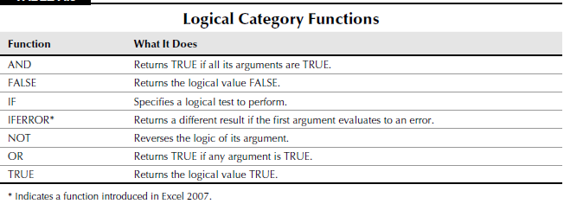

AND Function - * Returns TRUE if all its arguments evaluate to TRUE; returns FALSE if one or more arguments evaluate to FALSE. * Syntax - AND(logical1, [logical2], ...) * Example: = AND(A1>100, B2<>C3, C4="New York") OR Function - * Returns TRUE if any of the argument is TRUE; returns FALSE if all arguments in the logical test are FALSE. * Syntax - OR(logical1, [logical2], ...) * Example: = OR(A1>100, B2<>C3, C4="New York") NOT Function - * Reverses the logic of its argument * Syntax - NOT(logic) | ISERROR Function - * It is a Information function. It returns a value of TRUE if the argument is an error (#N/A, Div/0, #NAME? etc) * Syntax - ISERROR(Value) * Example - = ISERROR(B5) IFERROR Function - * If the first argument returns an error, the second argument is evaluated and returned. If the first argument does not return an error, then it is evaluated and returned. * It is used to mask the errors in Excel * Syntax - IFERROR(Value, Value_if_Error) * Example - =IFERROR(B5/A1, " - ") Hence, instead of returning DIV/0 it will return " - " in the cell IF Function - * Returns one value if a condition you specify is TRUE, and returns another value if the condition is FALSE. * It is used whenever a condition has to be evaluated * Syntax - IF(Logical_Test,Value_True,Value_False) * Logical_Test has to be created in such a way that it only returns TRUE or FALSE. Hence, we can use the logical operators, Logical functions (AND, OR etc.) and Information Functions (ISTEXT, ISBLANK, ISERROR etc) in this argument. * Value_True or Value_False argument can return - Numbers, Text, Formulas, Excel Functions and IF function In case of multiple conditions we use Nested IF i.e. IF function inside another IF function * The IF function is used in the Value_True or Value_False argument of the parent IF Function * Always complete the inner IF functions before finishing the outer function * Example - = IF(Logical_Test1, IF(logical_Test2, Value_True2, Value_False_2), Value_False1) = IF(Logical_Test1, IF(logical_Test2, Value_True1, Value_False_2), IF(logical_Test3, Value_True3, Value_False_3)) = IF(Logical_Test1, IF(logical_Test2, Value_True1, IF(logical_Test3, Value_True3, Value_False3)))

Formatting - Notes
Excel automatically applies a built-in number format to a cell based on the following criteria: * If a number contains a slash (/), it may be converted to a date format or a fraction format. * If a number contains a hyphen (-), it may be converted to a date format. * If a number contains a colon (:) or is followed by a space and the letter A or P, it may be converted to a time format. * If a number contains the letter E (uppercase or lowercase), it may be converted to scientific notation or exponential format. Using the Format Cells dialog box to format numbers - * Click the dialog box launcher at the bottom right of the Home ➪ Number group. * Choose Home ➪ Number ➪ Number Format ➪ More Number Formats. * Press Ctrl+1. Different Number format categories - * General: The default format; it displays numbers as integers, decimals, or in scientific notation if the value is too wide to fit into the cell. * Number: Specify the number of decimal places, whether to use your system thousands separator (for example, a comma) to separate thousands, and how to display negative numbers. * Currency: Specify the number of decimal places, choose a currency symbol, and display negative numbers. This format always uses the system thousands separator symbol (for example, a comma) to separate thousands. * Accounting: Differs from the Currency format in that the currency symbols always line up vertically, regardless of the number of digits displayed in the value. * Date: Choose from a variety of date formats and select the locale for your date formats. * Time: Choose from a number of time formats and select the locale for your time formats. * Percentage: Choose the number of decimal places; always displays a percent sign. * Fraction: Choose from among nine fraction formats. * Scientific: Displays numbers in exponential notation (with an E): 2.00E+05 = 200,000. You can choose the number of decimal places to display to the left of E. * Text: When applied to a value, | 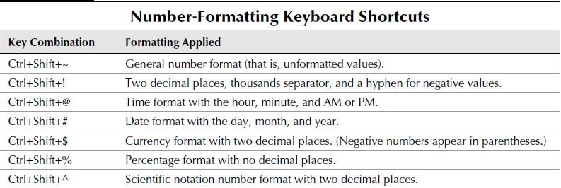

Custom Format - Notes
Shortcut - (Ctrl + 1) Custom Format String can have up to 4 sections. Separate the sections by using semi-colon (;) Positive format ; Negative Format ; Zero Format ; Text Format If you don’t use all four sections of a format string, Excel interprets the format string as follows: * If you use only one section: The format string applies to all types of entries. * If you use two sections: The first section applies to positive values and zeros, and the second section applies to negative values. * If you use three sections: The first section applies to positive values, the second section applies to negative values, and the third section applies to zeros. * If you use all four sections: The last section applies to text stored in the cell.

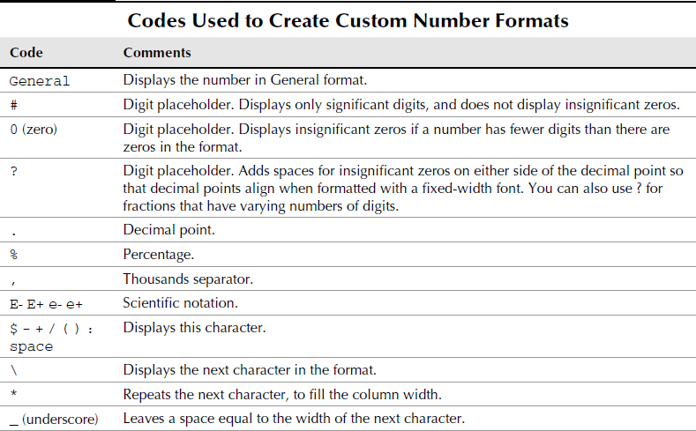
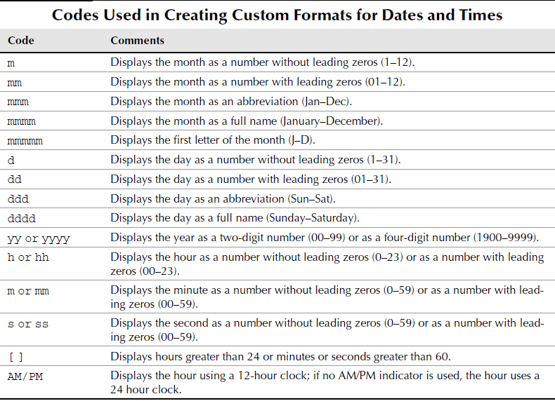

 | EXAMPLES:
 | Date | 2009-01-01 | format: mmmm d, yyyy
 | Time | 8:00:00 | format: hh:mm:ss AM/PM
 | Time Greater than 24 hours | 1.5 | format: [h]:mm
 | Percents | 0.244 | format: 0.00000%
 | Fraction | 2.2 | format: ?/?
 | Words with numbers | $25.00 Per unit | format: $#,##0.00" per unit"
 | General: keyboard: Ctrl + Shift + ~ | $2.00 per unit | format: General

Sorting - Notes
SORTING Sorting a table rearranges the rows based on the contents of a particular column. To Sort table by particular column - 1. Select any one cell of the column 2. Data ➪ Sort & Filter ➪A to Z or Z to A depending on the question Sorting can be done based on - 1. Cell Value 2. Cell Colour 3. Font Colour 4. Cell Icon (Icons are put in the cells using Conditional Formatting) To perform a multiple-column sort - 1. Use Sort dialog box (choose Home ➪ Editing ➪ Sort & Filter ➪ Custom Sort). 2. Right-click any cell in the table and choose Sort ➪ Custom Sort from the shortcut menu. Sorting Using Custom List This can be used when data has to be sorted in particular format. For eg. Months (Jan, Feb, Mar,..) etc. Note: Let's say we have 10 unique items in our list and we specify the sorting order of 8 items. The remaining items which are not mentioned in the list will be sorted as per A to Z or Z to A. | SUBTOTAL Once the data is sorted we can create quick summaries using the Subtotal Tool. 1. Data ➪ Outline ➪Subtotal 2. Select the field for which the subtotals are to be calculated in the At Each Change In drop-down list. 3. Specify the type of totals you want to insert in the Use Function drop-down list. 4. Select the check boxes for the field(s) you want to total in the Add Subtotal To list box. 5. Click OK. Note: * This tool works with sorted data only * You can show multiple subtotals in one table by un-checking the 'Replace current subtotals' option in the dialogue box. | 